43-112
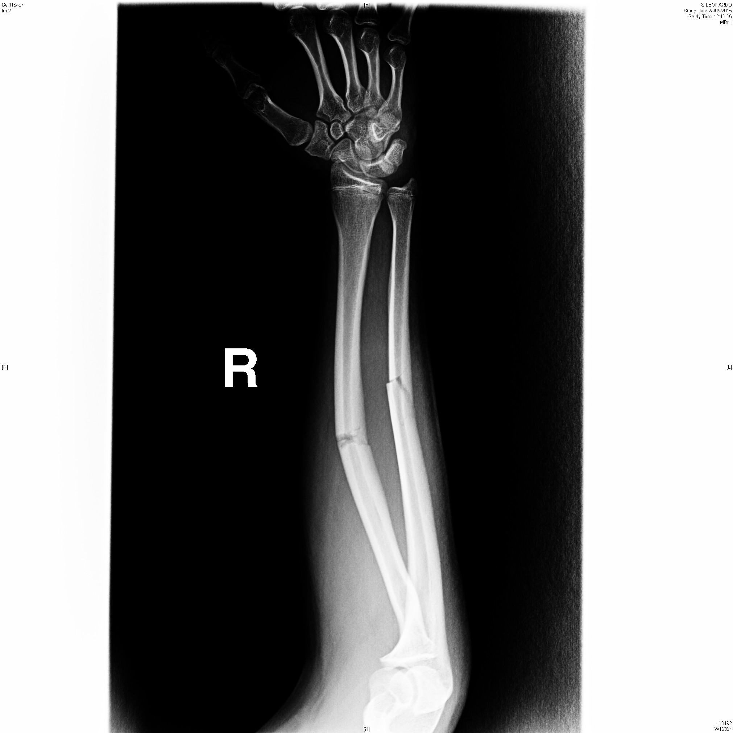
Short Summary Ulna and Radius fracture; Female, 32, French |  | Patient Number T-5 (43-112-IPS)
Patient (Hi-)story (IPS) | Problems/Conditions: | Pregnancy
 | Vaccinations: | Diphtheria, tetanus, acellular pertussis, inactivated poliomyelitis
 | Allergies:
 | Medication:
 | Implantable Devices
Patient Presentation on arrival | Age: | 32
 | Gender: | Female
 | Nationality: | French
 | General Condition: | Pain in the right forearm; Swelling and abrasions on the right forearm
 | Onset of symptoms:
Vital signs NORMAL | AVPU:
 | Mobility:
 | Respiratory Rate:
 | Pulse Rate:
 | Temperature:
 | Capillary Refill:
 | Blood Pressure:
 | Oxygen Saturation:
 | Weight/Height:
General Status | You complain of pain in the right forearm
On examination | XRAY - ..\84_ModEX_CLINICAL CASES\Inject 43 (2)_ok\112 Ulna and radius fracture_ok\Ulna and radius fracture.jpg
Expectations and outcomes | X-Ray and a plaster cast
Needed Make-Up and attributes | Ulna and radius fracture

43-155
Short Summary Evolving Pulmonary Embolism Male 52 French |  | Patient Number T-9 (43-155-IPS)
Patient (Hi-)story (IPS) | Problems/Conditions: | Valve disease Previous DVT (Venous Femoral Thrombosis)
 | Vaccinations:
 | Allergies:
 | Medication: | Rivaroxaban 20 mg Furosemide 20 mg
 | Implantable Devices
Patient Presentation on arrival | Age: | 52
 | Gender: | Male
 | Nationality: | French
 | General Condition: | Can walk with help Since yesterday, thorax pain and dyspnea Pain in the right calf Slept inside the car
 | Onset of symptoms: | Yesterday
Vital signs | AVPU:
 | Mobility:
 | Respiratory Rate: | 30/min
 | Pulse Rate: | 110/min
 | Temperature:
 | Capillary Refill:
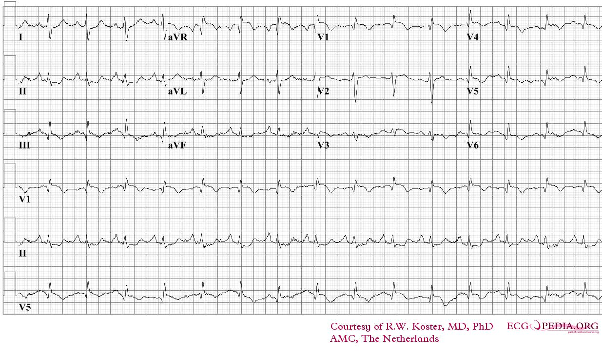
 | Blood Pressure: | 110/40
 | Oxygen Saturation: | aria 86%, con O2 90%
 | Weight/Height:
General Status | Can walk with help Since yesterday, thorax pain and dyspnea Pain in the right calf Slept inside the car
On examination | Evolving pulmonary embolism; "S1-Q3 pattern" at ECG ..\84_ModEX_CLINICAL CASES\Inject 43 (4)_ok\155 Evolving pulmonary embolism_ok\Pulm_embolism.jpg
Expectations and outcomes
Needed Make-Up and attributes | Young/adult Cyanosis (blue lips)

72-262
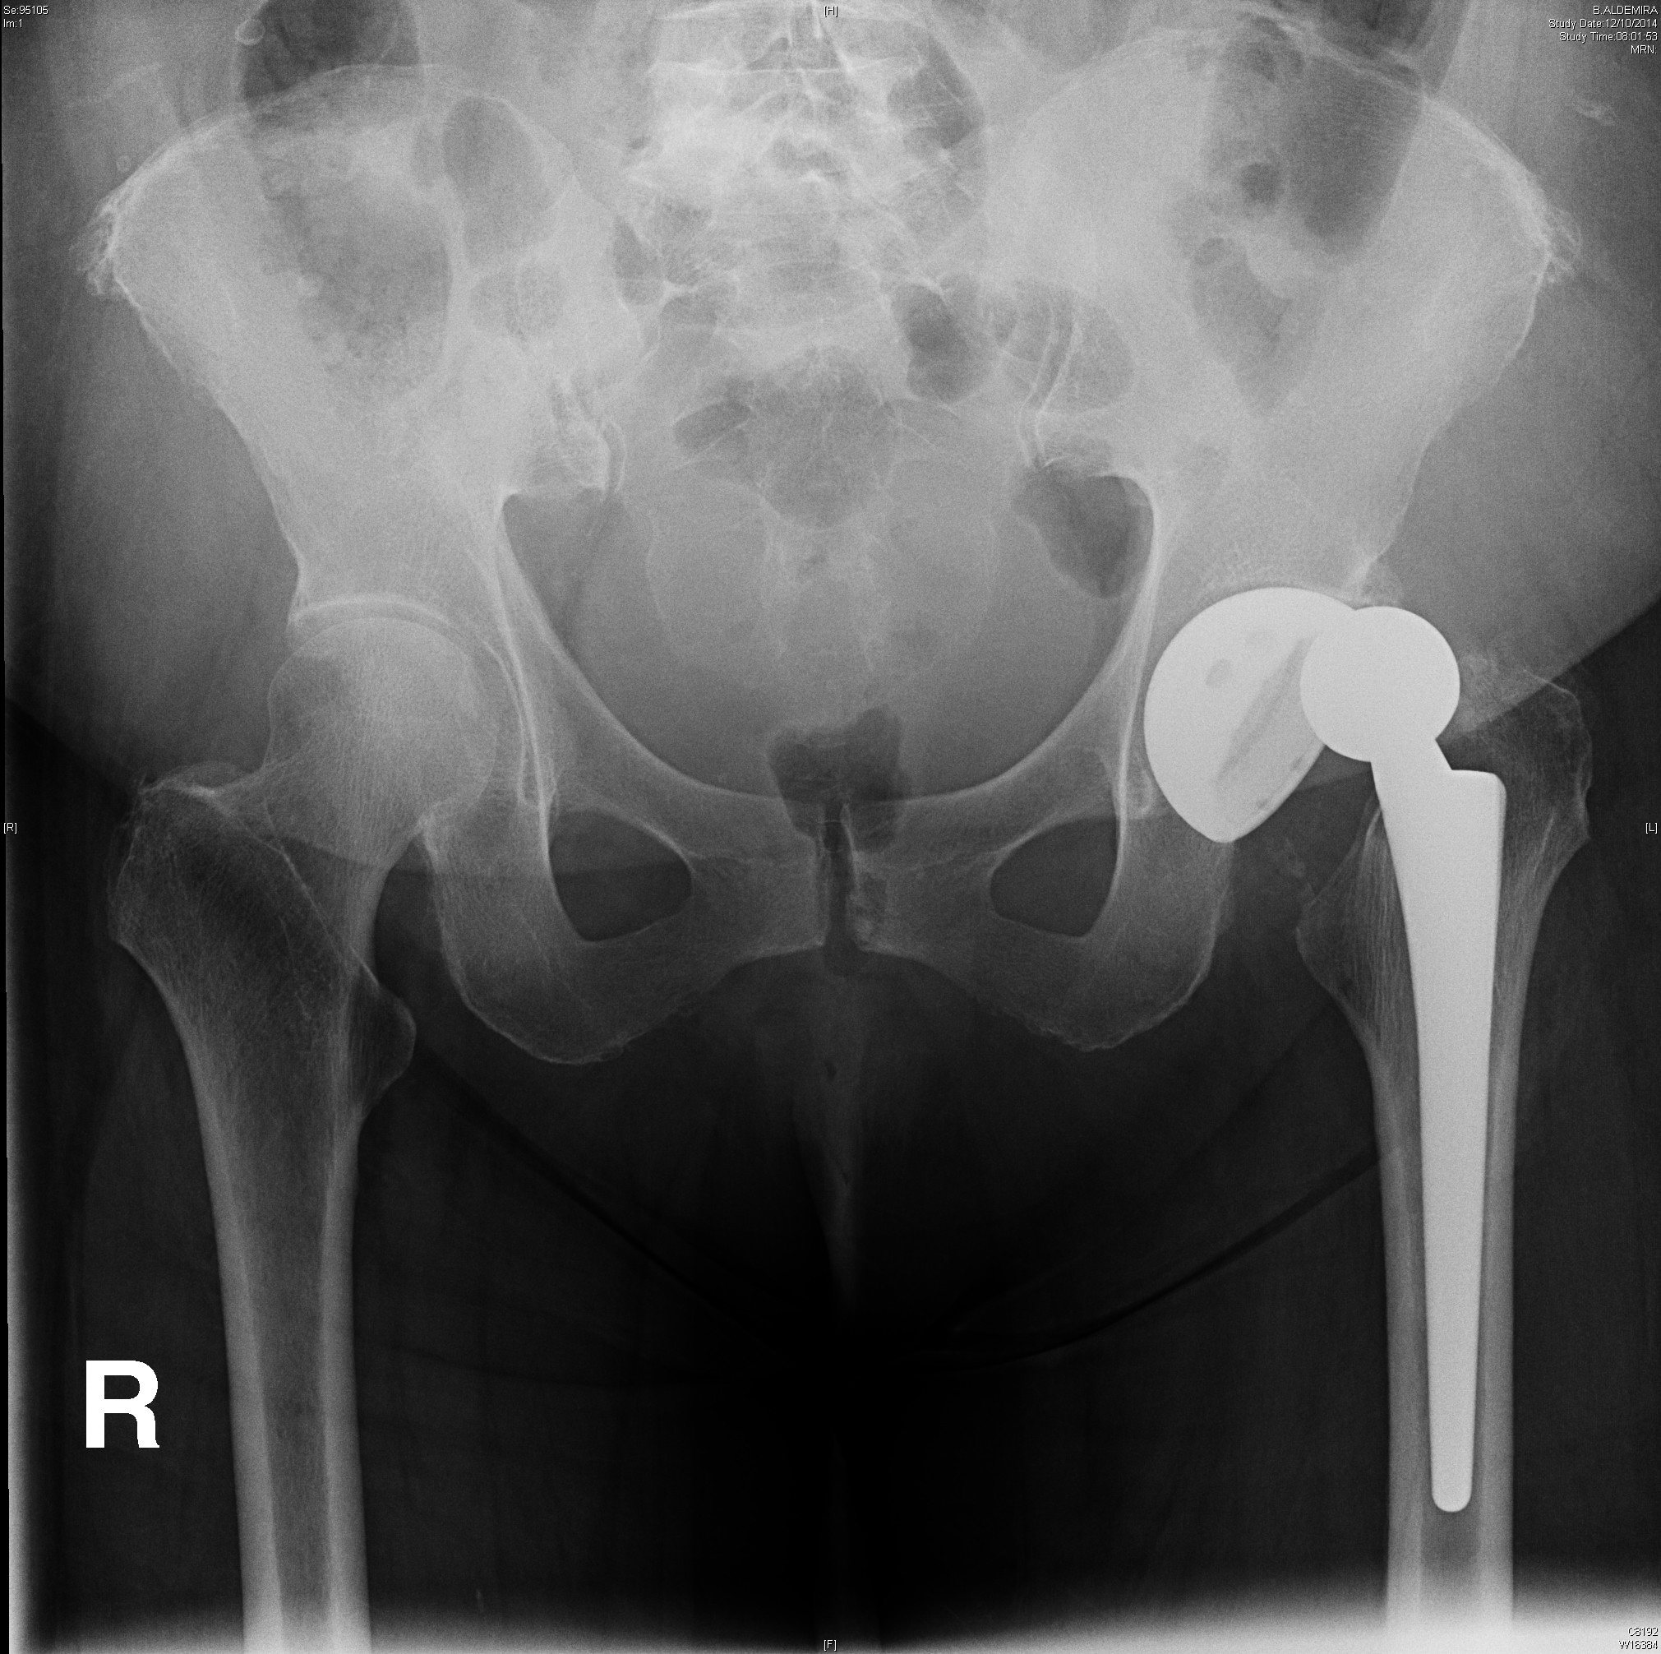
Short Summary Dislocation of the artificial hip Female 56 French |  | Patient Number T-25 (72-262-IPS)
Patient (Hi-)story (IPS) | Problems/Conditions: | Osteoarthritis of hip Appendicitis Tonsillitis
 | Vaccinations:
 | Allergies:
 | Medication:
 | Implantable Devices
Patient Presentation on arrival | Age: | 56
 | Gender: | Female
 | Nationality: | French
 | General Condition: | When in the car, vital signs normal, the patient complains of pain in the left hip. Can’t walk. When in the AMP, vital signs normal Primary: dislocation of the hip Redaction with sedation or operating room
 | Onset of symptoms: | When in the car, you complain of pain in the left hip. Can’t walk. Ask for help and scream
Vital signs | AVPU:
 | Mobility: | Can’t Walk
 | Respiratory Rate: | Normal
 | Pulse Rate: | Normal
 | Temperature: | Normal
 | Capillary Refill: | Normal
 | Blood Pressure:
 | Oxygen Saturation: | Normal
 | Weight/Height:
General Status
On examination | Primary: dislocation of the hip Redaction with sedation or operating room ..\84_ModEX_CLINICAL CASES\Inject 72_ok\262 Dislocation of the artificial hip_ok\Dislocation of the artificial hip.jpg
Expectations and outcomes
Needed Make-Up and attributes | Abrasions to hands and face, swelling in the hip if possible

70-261
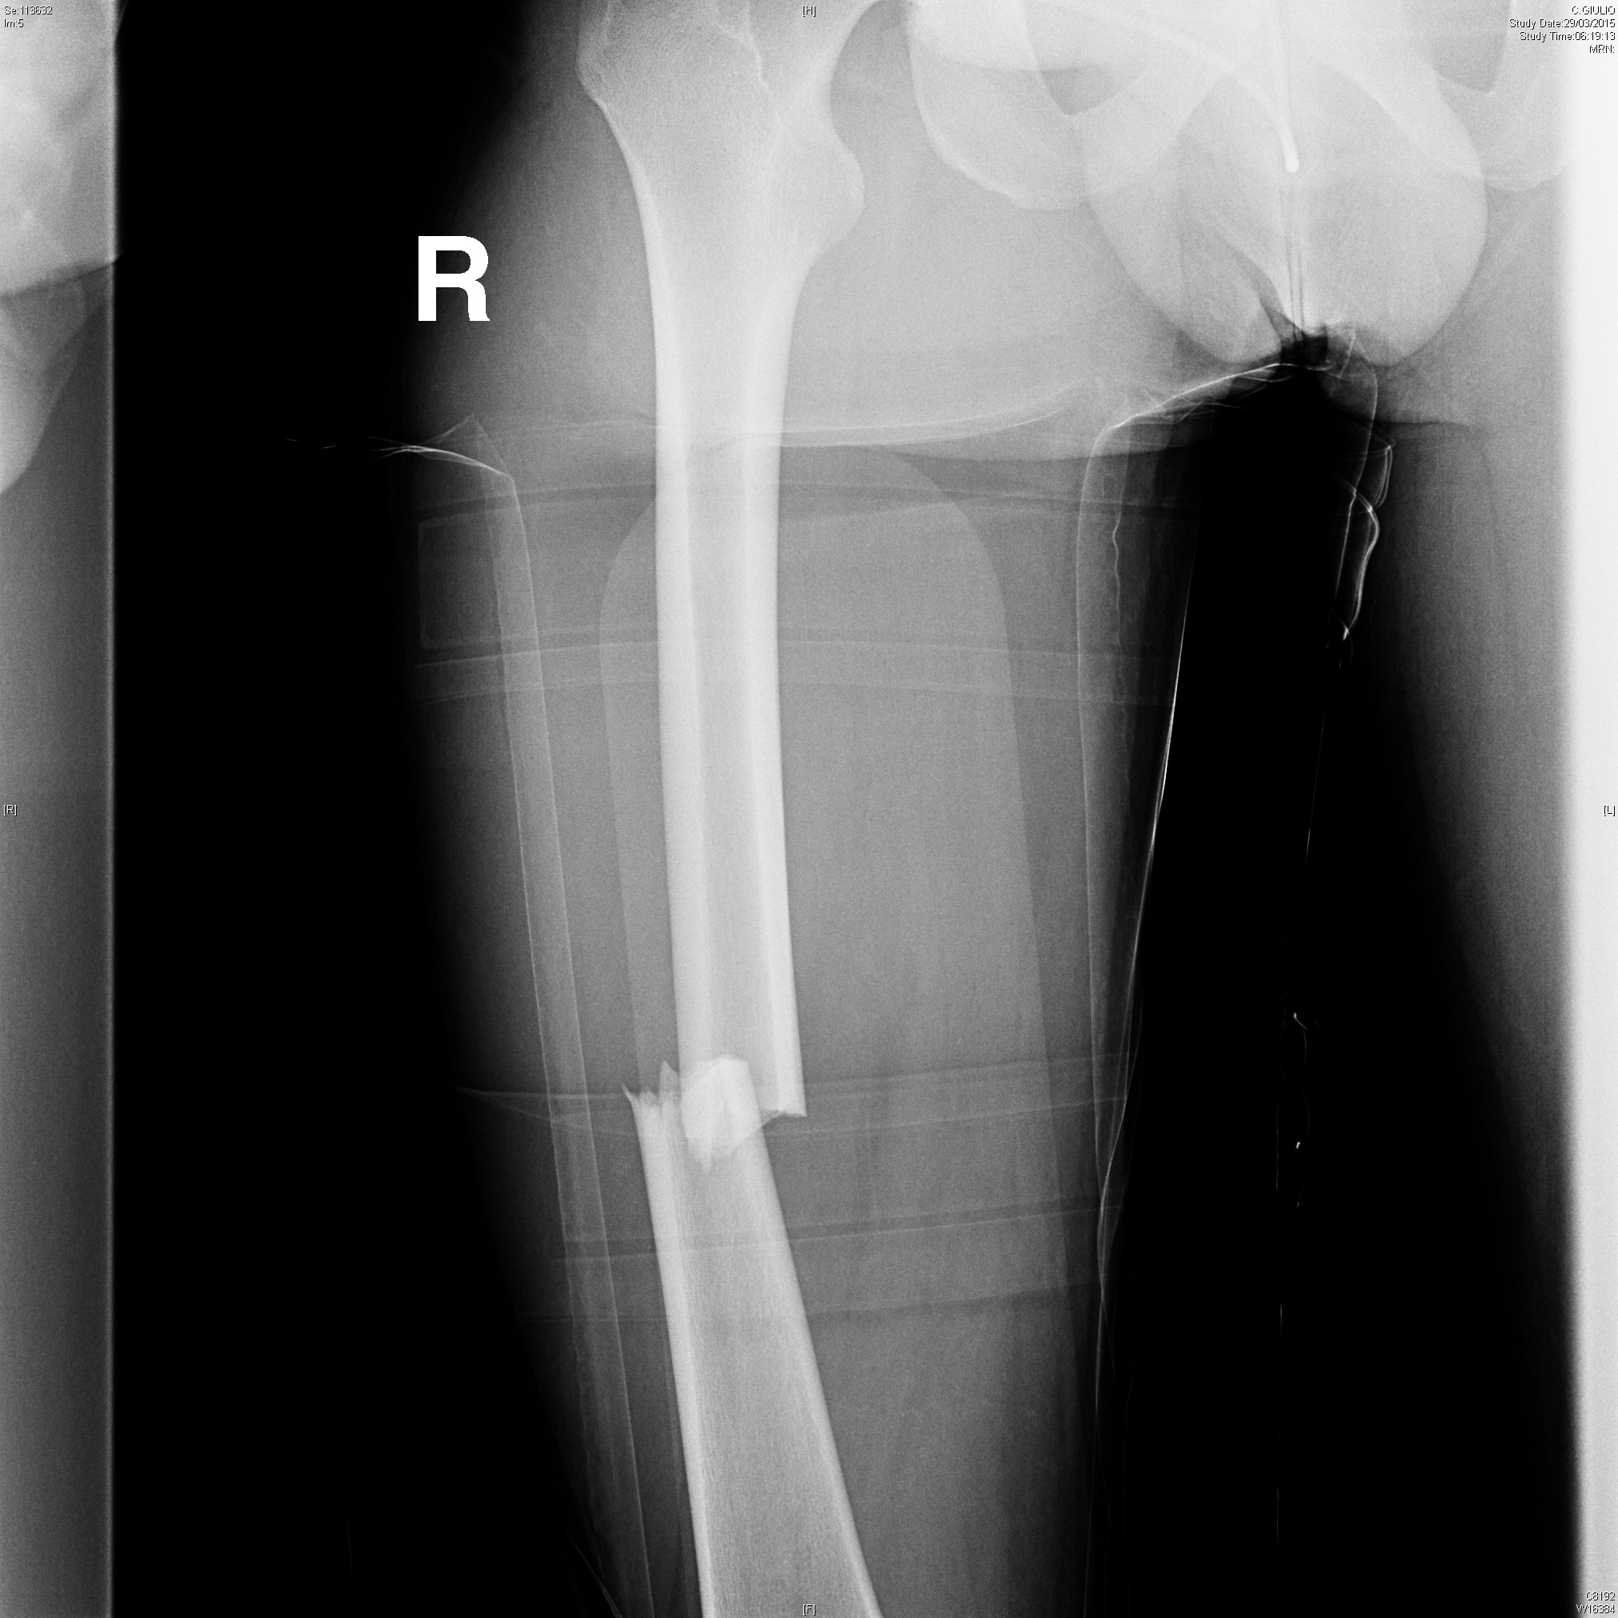
Short Summary: Femur fracture Male 34 Portuguese |  | Patient Number 70-261
Patient Summary | Problems: Medications: Allergies: penicilin Immunizations: tetanus shot expired Implantable devices:
Patient Presentation on arrival | Age: 34, Male, Portuguese General Condition: pain in the left thigh; can't walk
Vital signs Vital signs normal when in the car. Vital signs in the AMP | Onset of symptoms:
 | AVPU:
 | Mobility:
 | Respiratory Rate:
 | Pulse Rate:
 | Temperature:
 | Capillary Refill:
 | Blood Pressure:
 | Oxygen Saturation:
 | Weight/Height:
General Status
On examination | Need X-Ray femur that show the fracture Operating room
Expectations and outcomes
Needed Make-Up and attributes | Abrasions on face and hands, swelling on the right thigh with bruise and abrasions (femur fracture)

70-5-285
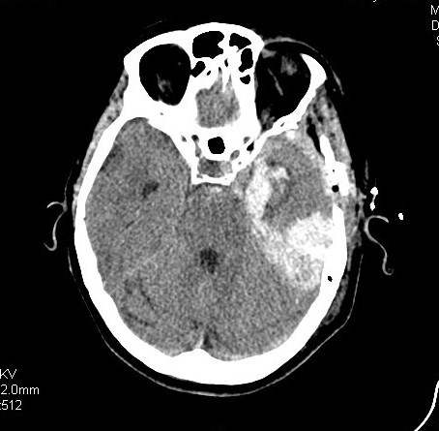
Short Summary Portuguese rescuer complains of a strong headache while working digging under the rubbles. Arrive at the AMP in coma state (GCS 8). |  | Patient Number 70-5-285
Patient Summary | Problems: Diabetic Type I Medications: :Insulin Allergies: Immunizations: Implantable devices
Patient Presentation on arrival | Age: 45
 | General Condition: You are Portuguese rescuer and you complain of a strong headache while working digging under the rubbles. You arrive at the AMP in coma state (GCS 8). Closed eyes, lament with no words if stimulated, you locate the pain on the right with the right hand, snoring, impulse to vomit.
Vital signs | Onset of symptoms:
 | AVPU:
 | Mobility:
 | Respiratory Rate:
 | Pulse Rate:
 | Temperature:
 | Capillary Refill:
 | Blood Pressure:
 | Oxygen Saturation:
 | Weight/Height:
General Status
On examination | After the intubation and the sedation you don’t move, normal breath. You need a TAC of brain and to be evacuated by helicopter.
Expectations and outcomes | Does the availability of the app help the Emergency personnel take actions?
Needed Make-Up and attributes | No Make-up

70-5-285-1
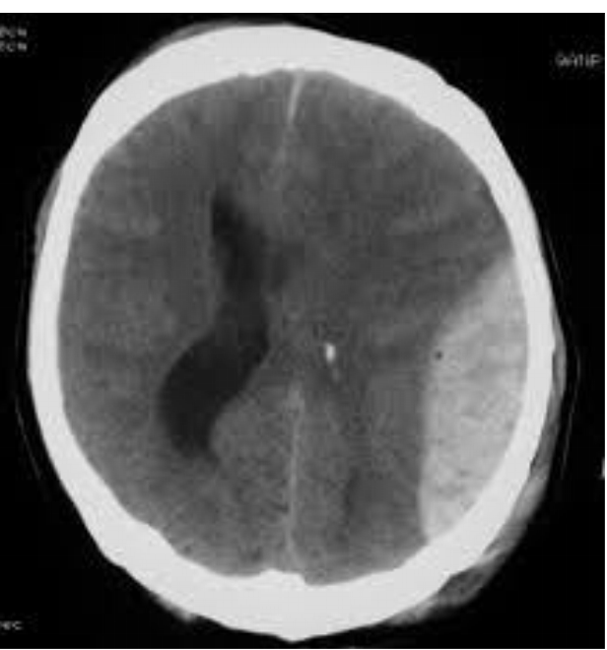
Short Summary Rescuer - Coma after head trauma. |  | Patient Number 70-5-285-1
Patient Summary | Problems: Medications: Allergies: Immunizations: Implantable devices:
Patient Presentation on arrival | Age: 58, Male, Rescuer General Condition: You are a rescuer. You had a head trauma while working digging the rubbles. You are in coma (GCS 6) 1. Snoring, closed eyes, no sound, if painful stimulus you bend your arm close to the stimulus and move the shoulder 2. After intubation, no motor response, regular breath 3. You need a TAC of brain and evacuation with helicopter
Vital signs | Onset of symptoms:
 | AVPU: coma (GCS: 1-1-4 = 6)
 | Mobility: none
 | Respiratory Rate:
 | Pulse Rate: 90/min
 | Temperature:
 | Capillary Refill:
 | Blood Pressure: 150/90
 | Oxygen Saturation:99%
 | Weight/Height:
General Status | Wound on head, otorragia, coma (GCS: 1-1-4 = 6)
On examination
Expectations and outcomes | P.A. 140/70 (after sedation and intubation); FC 76/m; Sat.O2 99% Anisocoria sn > dx. Need a TAC of brain and evacuation with helicopter
Needed Make-Up and attributes | Left ear bleeding Wound on head (forehead, left temple)

70-5-285-2
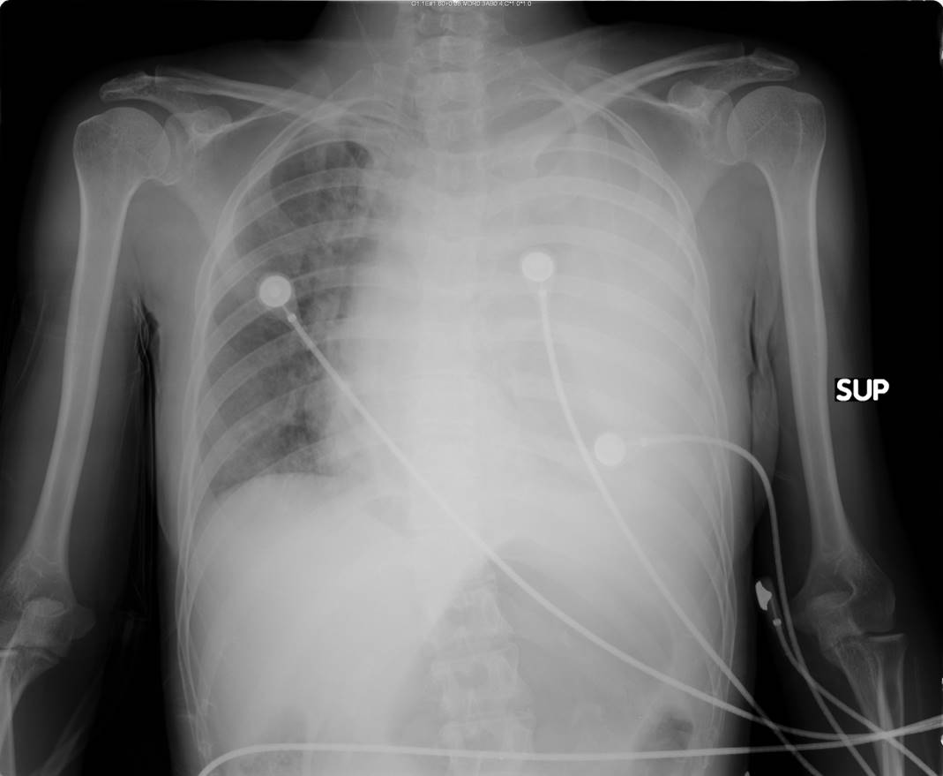
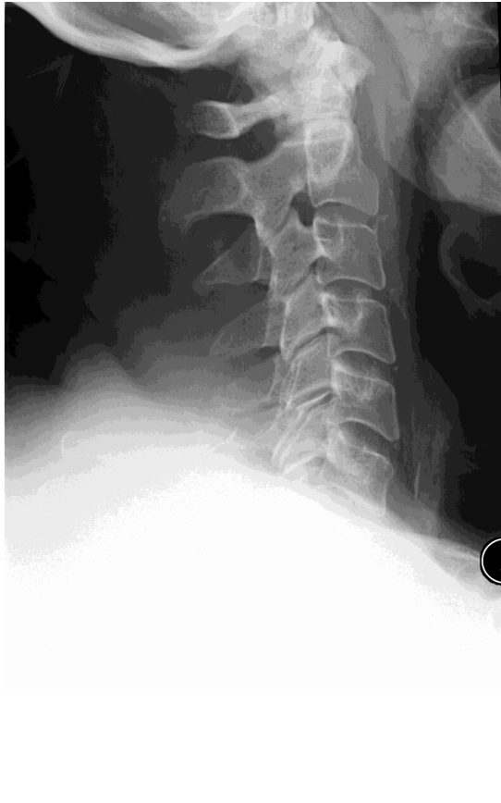
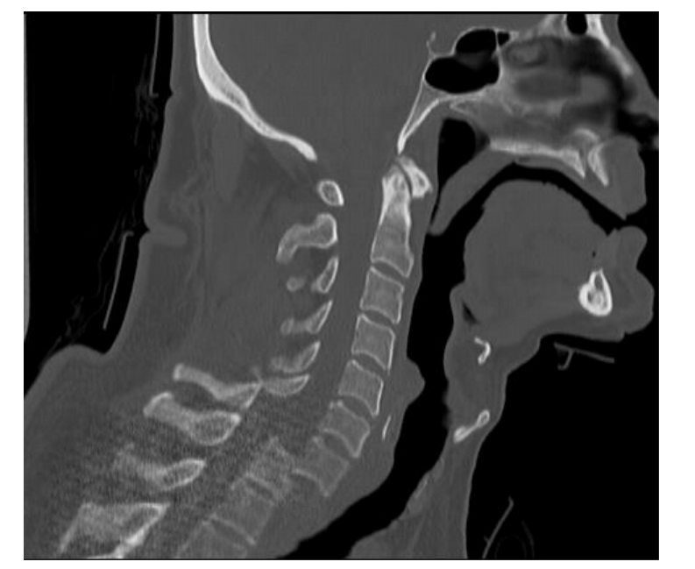
Short Summary Trauma Thorax: |  |  | Patient Number 70-5-285-2
Patient Summary | Problems: Medications: Allergies: Immunizations: Implantable devices:
Patient Presentation on arrival | Age: 30, Female General Condition: You are a rescuer, you fell from a balcony of a collapsing building. You arrive at the AMP and you have: 1. Frequent breath, agitation, chest pain (ribs and breastbone) if digit pressure, pain in the left arm. Pain in the cervical spine, tingling at limps and difficult to move. 2. After analgesia, less pain but frequent breath (less than before). Tingling at limps and difficult to move. 3. If intubated, closed eyes, no movements, regular breath You need Eco, X-Ray, TAC of brain and evacuation by helicopter
Vital signs | Onset of symptoms: | Emotorax left, C6 on C7 dislocation wiht incomplete tetraplegia; Chest pain, Pain in the cervical spine, tingling at limps and difficult to move.
 | AVPU:
 | Mobility:
 | Respiratory Rate: | 40/min
 | Pulse Rate:
 | Temperature: | 120/min
 | Capillary Refill:
 | Blood Pressure: | 80/50
 | Oxygen Saturation: | 90%
 | Weight/Height:
General Status | Need Eco (negative), X-Ray (left hemotorax, negative pelvis, eventually cervical X-Ray) TAC of brain Chest tube placement (positive for emotorax: 700 ml) Intubation? Evacuation by helicopter for a dislocation C6-C7
On examination | Emotorax left, C6 on C7 dislocation with incomplete tetraplegia Breath 40/min BP 80/50 FC: 120/min SatO2 90% Chest pain, Pain in the cervical spine, tingling at limps and difficult to move. Need Eco (negative), X-Ray (left hemotorax, negative pelvis, eventually cervical X-Ray) TAC of brain Chest tube placement (positive for emotorax: 700 ml) Intubation? Evacuation by helicopter for a dislocation C6-C7
Expectations and outcomes
Needed Make-Up and attributes | Pale cute and sweat Swelling and abrasion on torax Swelling on cervical spine

74-87
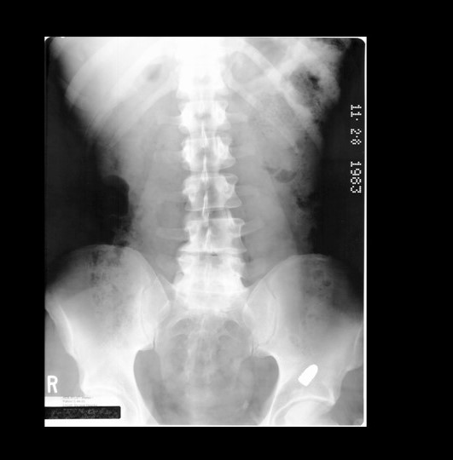
Short Summary: Gunshot, Portuguese, 32 |  | Patient Number 74-87
Patient Summary | Problems: Medications: Allergies: Penicillin Immunizations: Tetanus Implantable devices:
Patient Presentation on arrival | Age: General Condition:
Vital signs: vital signs stable at the beginning | Onset of symptoms:
 | AVPU:
 | Mobility:
 | Respiratory Rate:
 | Pulse Rate:
 | Temperature:
 | Capillary Refill:
 | Blood Pressure:
 | Oxygen Saturation:
 | Weight/Height:
General Status
On examination | Penetrating wound to the abdomen (gunshot) with retention for deep penetration
Expectations and outcomes | Patient with peritonism to the abdomen, If Eco (+---) If X-Ray you can see the bullet Need to go to the operating room
Needed Make-Up and attributes | You are an army band who was involved in a shootout. You are taking one of your mate (he has been hit by a gunshot and he can’t walk) to the AMP. When close to the AMP, start yelling, put your guns in the air and ask for help. If someone ask about what happened, stay vague and don’t specify how your mate got hit. Give his personal details (ZMAJ 287). Try to get in and out the AMP even if the staff try to stop you. Do not create to much tension and confusion. You arrive at the AMP with your mates who support you and help you walking. They carry guns. You have been hit by a gunshot. You complain of a strong abdomen pain and you feel faint. Keep complaining inside the AMP

70-300-1
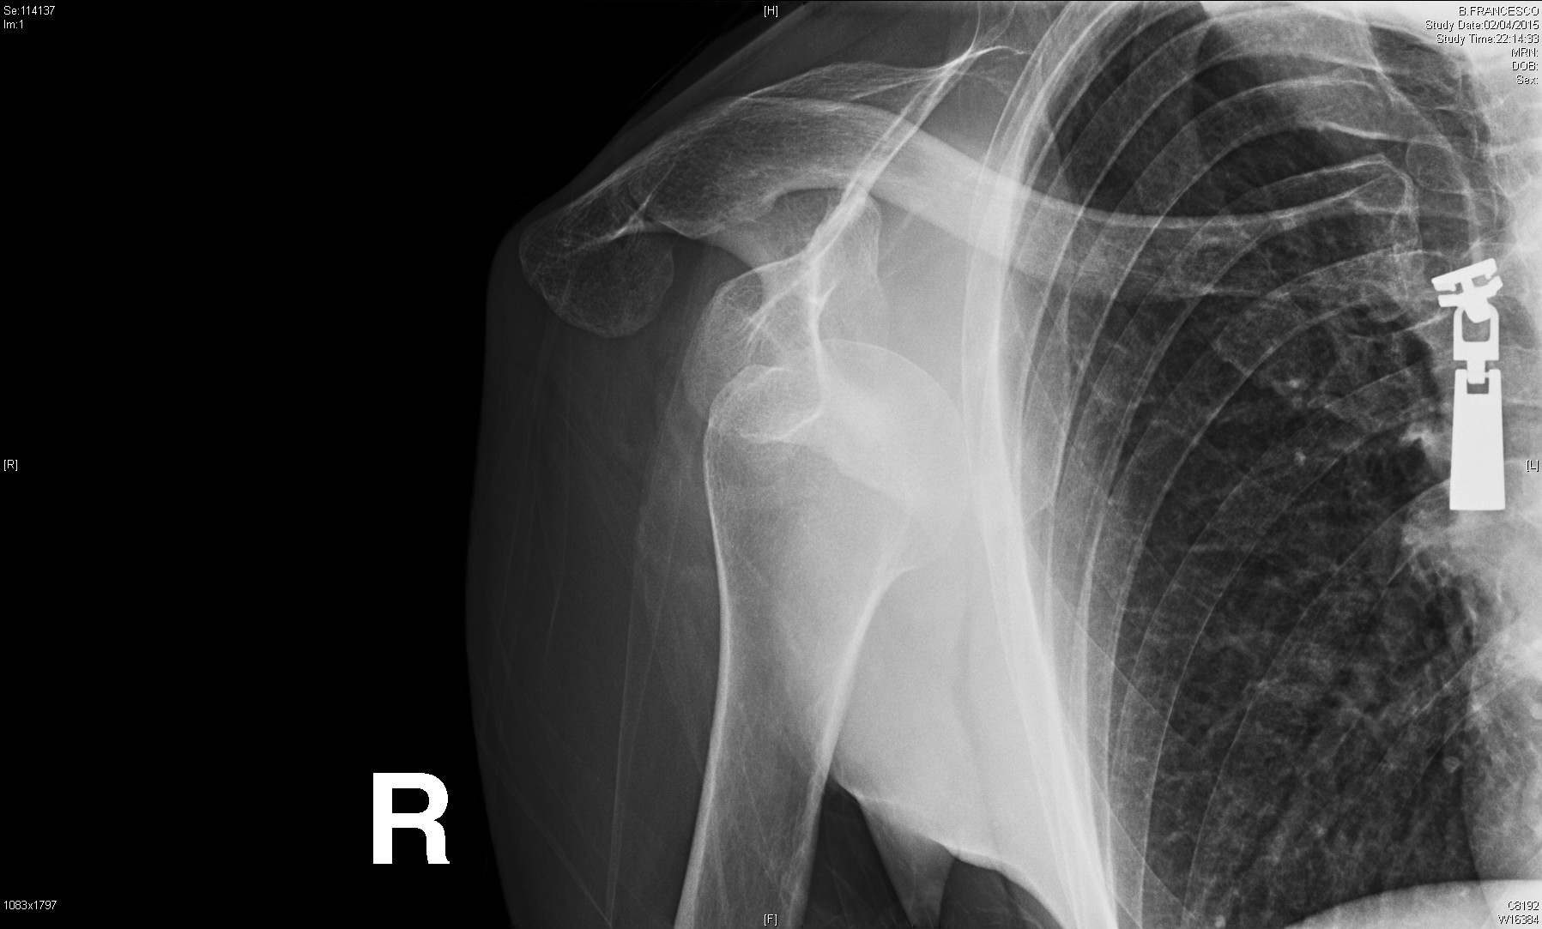
Short Summary: Female 55, Portuguese Dislocated Showlder |  | Patient Number 70-300-1
Patient Summary | Problems: Diabetes Type II Medications: Allergies: allergic to NSAIDs painkillers Immunizations: Tetatus Implantable devices:
Patient Presentation on arrival | Age: 55, Female, Portuguese General Condition:
Vital signs: Normal vital signs | Onset of symptoms:
 | AVPU:
 | Mobility:
 | Respiratory Rate:
 | Pulse Rate:
 | Temperature:
 | Capillary Refill:
 | Blood Pressure:
 | Oxygen Saturation:
 | Weight/Height:
General Status
On examination | Normal vital signs To the medical examination, he refers to have feeling to dislocation to the shoulder to palpation HE SHOULD DO RX BUT REDUCTION COULD BE DONE BUT THEY CAN TRY THE REDUCTON OF THE SHOULDER WITHOUT RX
Expectations and outcomes
Needed Make-Up and attributes | Complain of severe pain in her right shoulder you have picked slipping while removing the wreckage of your house. Scream from the pain and keep the right shoulder that is dislocated. PALE SKIN, DISLOCATION SWELLING TO THE RIGHT SHOULDER

